1. Title Page
Project Name: Instacart Basket Analysis
Date: January 2023
Uijin Hwang

Contents:
Population Flow
Consistency checks
Wrangling steps
Column derivations
Visualizations
Recommendations

Data Citation:

“The Instacart Online Grocery Shopping Dataset 2017”, Accessed from https://www.instacart.com/datasets/grocery-shopping-2017 on 2022-12-02.
Data on product prices and customers are fabricated and are not liable to any PII (personal identifiable information) laws.

2. Population Flow
Title page

Population flow

Exclusion flag
Condition: max_order < 5
Obervations to be removed: 1,440,295
Final total count of order_products_all: 32,404,859

Orders_products_combined
Orders_products_merged
Orders_products_all

Total: 32,434,489
Total: 32,434,489
Total: 32,404,859

1.) The grey boxes in the first row of the population flow represent the original data sets as they were when you downloaded them. In the Total fields you need to add the count of the rows when you imported the data set into Jupyter.
2.) The second row of boxes (coloured) represents the data sets after you manipulated them, e.g., removed missing values and duplicates. In the Total fields you need to add the count of the rows after conducting these operations. This offers a visual oveview of how the data flows throughout the data consistency checks.
3.) The third row, where also the arrows are coloured, represents the merges you performed between the datasets. In the Total fields you need to add the count of the rows in the merged datasets, so that you end up with the final dataset (in the red box). Keep in mind the final dataset should be without exclusions (based on the exclusion flag).

3. Consistency checks
 |  |  |  |  |  | Title page
Consistency checks

Note: Instacart is a real company that’s made their data available online. However, the contents of this project brief have been fabricated for the purpose of this Achievement

Data Frame | Column | Missing values | Missing values treatment | Duplicates | Python Notebook (Script) Name
orders | days_since _prior_order | 206,209 | Keep with the assumption that the missing values are indications for new customers with no existing previous transactional activities of orders. However, a "new_customer" column was created where all the values where flagged as True for new customers and false for existing customers. | Not found | 4.5 Data Consistency Checks
products | product_name | 16 | Removed 16 missing values by using a subset | Removed 5 duplicate values | 4.5 Data Consistency Checks
orders_products_prior |  | No missing value found | N/A | Not found
customers | Name | 11259 | First Names are missing which will not impact analysis for any data discrepancies, it can be treated as privacy compliance and will keep the way it is. | Not found | 4.9 Intro to Data Visualization with Python (PART 1)

4. Wrangling steps
 |  |  |  |  |  | Title page
Wrangling steps

Note: Instacart is a real company that’s made their data available online. However, the contents of this project brief have been fabricated for the purpose of this Achievement

Data Frame | Columns dropped | Columns renamed | Columns' type changed | Comment/Reason | Python Notebook (Script) Name
orders | eval_set |  |  | The column was removed as it was unnecessary for analysis purposes. | 4.4 Data Wrangling & Subsetting
 |  | order_dow |  | Renamed to 'order_day_of_week' for calrity.
 |  |  | user_id | Convert data type from integer to string.
 |  |  | order_id | Convert data type from integer to string.
customer |  | First Name |  | Renamed to 'first_name' for consistency. | 4.9 Intro to Data Visualization with Python (PART 1)
 |  | Surname |  | Renamed to 'surname' for consistency.
 |  | STATE |  | Renamed to 'state' for consistency.
 |  | Gender |  | Renamed to 'gender' for clarity.
 |  | Age |  | Renamed to 'age' for clarity.
 |  | date_joined |  | Renamed to 'registration_date' for clarity.
 |  | n_dependants |  | Renamed to 'number_depedants' for clarity.
 |  | fam_status |  | Renamed to 'marital_status' for clarity.
 |  | income |  | Renamed to 'Income' for consistency.
 |  |  | first_name | Convert data type from object to string.

5. Column derivations
 |  |  |  |  |  | Title page

Column derivations and aggregations

Note: Instacart is a real company that’s made their data available online. However, the contents of this project brief have been fabricated for the purpose of this Achievement

Data Frame | New column | Column/s it was derived from | Conditions | Conditions Total Value Count | Python Notebook (Script) Name
df_ords_products_merged *Exported file name as orders_products_merged.pkl | price_range | prices | prices > 15 (USD) = 'High-range' | 417,678 (L) | 4.7 Deriving New Variables
 |  |  | prices <= 15 & > 5 = 'Mid-range product' | 21,860,860 (H)
 |  |  | prices <= 5 = 'Low-range product' | 10,126,321 (L)
 | busiest day | orders_day_of_week | if value = 0 then "Busiest day" | 6,204,182
 |  |  | if value = 4 then "Least busy" | 3,783,802 (L)
 |  |  | and else then "Regularly busy" | 22,416,875 (H)
 | Busiest days | orders_day_of_week | if value = 0 or 1, then "Busiest days" | 11,864,412
 |  |  | if value = 3 or 4, then "Slowest days" | 7,624,336 (L)
 |  |  | and else, then "Regularly busy" | 12,916,111 (H)
 | busiest_period_of_day | order_hour_of_day | Most orders = hours between 9-16 | 21,118,071 (H)
 |  |  | Average orders = hours between 7-8 & 17-23 | 10,399,967
 |  |  | Fewest orders = hours between 0-6 | 886,821 (L)
ords_prods_merge *Exported file name as orders_products_merged_update.pkl | loyalty_flag | max_order | max order > 40, then 'Loyal customer' | 10,284,093 | 4.8 Grouping Data & Aggregating Variables
 |  |  | max_order <= 40 & >10, then 'Regular customer' | 15,876,776 (H)
 |  |  | max_order <= 10, then 'New customer' | 6,243,990 (L)
 | spender_flag | average_price | average_price >= 10, then 'High spender' | 31,770,614 (H)
 |  |  | average_price < 10, then 'Low spender' | 634,245 (L)
 | median_days_since_prior_order | customer_id & days_since_prior_order | This just defines the median value of each order day per customer
 | order_frequency_flag | median_days_since_prior_order | if value <= 10, then 'Frequent customer' | 564,404 (L)
 |  |  | if value > 10 & <= 20, then 'Regular customer' | 3,933,571
 |  |  | if value > 20, then 'Non-frequent customer' | 2,906,884 (H)
final_df *Exported file name as High Activity Customers.csv | region | state | If value = 'Maine', 'New Hampshire', 'Vermont', 'Massachusetts', 'Rhode Island', 'Connecticut', 'New York', 'Pennsylvania', 'New Jersey', then 'North East' | 5,614,511 (L) | 4.10 Coding Etiquette & Excel Reporting
 |  |  | If value = 'Wisconsin', 'Michigan', 'Illinois', 'Indiana', 'Ohio', 'North Dakota', 'South Dakota', 'Nebraska', 'Kansas', 'Minnesota', 'Iowa', 'Missouri', then 'Midwest' | 7,441,350
 |  |  | If value = 'Delaware', 'Maryland', 'District of Columbia', 'Virginia', 'West Virginia', 'North Carolina', 'South Carolina', 'Georgia', 'Florida', 'Kentucky', 'Tennessee', 'Mississippi', 'Alabama', 'Oklahoma', 'Texas', 'Arkansas', 'Louisiana', then 'South' | 10,582,194 (H)
 |  |  | If value = 'Idaho', 'Montana', 'Wyoming', 'Nevada', 'Utah', 'Colorado', 'Arizona', 'New Mexico', 'Alaska', 'Washington', 'Oregon', 'California', 'Hawaii', then 'West' | 8,132,559
 | activity_flag | max_order | If value >= 5, then 'High Activity' | 30,964,564 (H)
 |  |  | If value < 5, then 'Low Activity' | 1,440,290 (L)
 | age_group_flag | age | If value >= 18 & < 35, then 'Young' | 8,738,805 (L)
 |  |  | If value >= 36 & < 60, then 'Middle aged' | 12,113,152 (H)
 |  |  | If value >= 60, then 'Senior' | 10,112,607
 | income_flag | income | If value >= $100,000, then 'High Income' | 14,207,028
 |  |  | If 30,000 <= value <= 100,000, then 'Middle Income' | 16,563,404 (H)
 |  |  | If value <= 30,000, then 'Low Income' | 194,132 (L)
 | household_flag | number_dependants | If value <= 0, then 'Small household' | 7,739,681 (L)
 |  |  | If 2<= value <= 3, then 'Medium household' | 15,452,367 (H)
 |  |  | If value >= 3, then 'Big household' | 7,772,516
 | pet_owner | department_id | If value = 8, then 'Yes' (pet_owner) | 93,060 (L)
 |  |  | If value is not 8, then 'No' (no pet_owner) then 'Medium household' | 30,871,504 (H)

 |  |  |  | LEGEND
 |  |  |  | (H) - Highest Value
 |  |  |  | (L) - Lowest Value

6. Visualizations
 |  |  |  |  |  |  |  |  | Title page

Visualisations

In this tab you should include all the visualtions from Exercises 4.9 and 4.10, alongside the questions from the project brief that they answer. Include any commentary on the relationship between different variables.

Q1. Busiest days of the week and hours of day

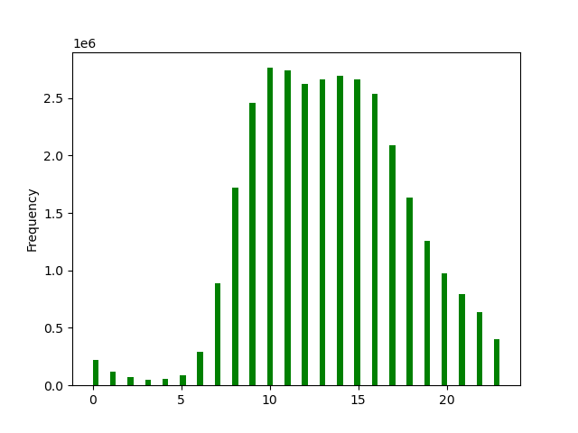


 | In this chart we see the distribution of orders during the dys of the week |  |  |  |  | In this chart we see the distribution of orders during the hours of the day
 | Saturday=0 is the busiest day (6+ million total orders) |  |  |  |  | The busiest hour is 10AM and is going strong till 4PM
 | Wednesday=4 is the least busy day

 | Saturday | 0
 | Sunday | 1
 | Monday | 2
 | Tuesday | 3
 | Wednesday | 4
 | Thursday | 5
 | Friday | 6
High-volume activities are more prominent towards the end of the week, in which customers may plan weekend shopping on Saturdays, Sundays, and Fridays between 9 am-3 pm. While Monday through Thursday is the slowest days of the week hence working days.

Q2. Particular times when people spend most money


 |  |  |  | This line chart above shows frequency of orders per hour: Customers spend more in the early morning (3-4am). We saw that during this time period, there are not many orders coming through. This indicates that these are higher value orders. We see that a high frequency of orders with a low expenditure during the day (particularly 10-11am) and a low frequency of orders with a high expenditure between 12-7am

Q3. Distribution of orders among customers in terms of loyalty

department | High-range product | Low-range product | Mid-range product
alcohol | 0 | 33,046 | 111,581
babies | 0 | 121,484 | 288,908
bakery | 0 | 274,986 | 845,842
beverages | 0 | 814,697 | 1,757,204
breakfast | 0 | 209,185 | 461,665
bulk | 0 | 1,181 | 32,270 | TOP SELLING PRODUCTS BY PRICE RANGE
canned goods | 0 | 281,711 | 730,363
dairy eggs | 4877 | 1,370,908 | 3,801,397 | High-range product |  |  | Mid-range product |  | Low-range product
deli | 0 | 299,220 | 704,614 | Meat Seafood |  |  | Produce |  | Produce
dry goods pasta | 0 | 284,346 | 537,790 | Dairy Eggs |  |  | Dairy Eggs |  | Snacks
frozen | 0 | 647,617 | 1,474,114 |  |  |  |  |  | Dairy Eggs
household | 0 | 245,070 | 454,787
international | 0 | 73,203 | 182,788 | Dairy eggs products have wider price points for consumers. Marketing and sales might want to use simpler price range for Dairy eggs.
meat seafood | 392855 | 0 | 281,926
missing | 0 | 18,516 | 46,252
other | 0 | 15,259 | 19,152
pantry | 221 | 504,521 | 1,277,963
personal care | 0 | 123,874 | 300,432
pets | 0 | 28,165 | 64,895
produce | 0 | 2,585,708 | 6,493,565
snacks | 0 | 1,742,143 | 1,024,263

Q4. Certain types of products that are more popular than others

 | Reorderd
department | mean | min | max
alcohol | 0.59016642812 | 0 | 1
babies | 0.59122010176 | 0 | 1
bakery | 0.64493392385 | 0 | 1
beverages | 0.66954832243 | 0 | 1 | PRODUCTS ORDER FREQUENCY
breakfast | 0.5773570843 | 0 | 1
bulk | 0.58978804819 | 0 | 1 |  | MOST POPULAR |  |  | LEAST POPULAR
canned goods | 0.47382602458 | 0 | 1 |  | Dairy Eggs (0.686309) |  |  | Personal Care (0.334148)
dairy eggs | 0.68630907702 | 0 | 1 |  | Beverages (0.669548) |  |  | Pantry (0.359807)
deli | 0.62448472556 | 0 | 1 |  | Produce (0.666655) |  |  | International (0.382396)
dry goods pasta | 0.47743439042 | 0 | 1 |  | Bakery (0.644934)
frozen | 0.55872775578 | 0 | 1
household | 0.41807826456 | 0 | 1 | On average, it seems that customers tend to reorder high consumables items more often.
international | 0.38239625612 | 0 | 1
meat seafood | 0.58513651096 | 0 | 1
missing | 0.40936882411 | 0 | 1
other | 0.42251024382 | 0 | 1
pantry | 0.35980658606 | 0 | 1
personal care | 0.33414799696 | 0 | 1
pets | 0.61917042768 | 0 | 1
produce | 0.66665535886 | 0 | 1
snacks | 0.58930720943 | 0 | 1

Q5. Are there any difference in ordering habits based on a customers region?

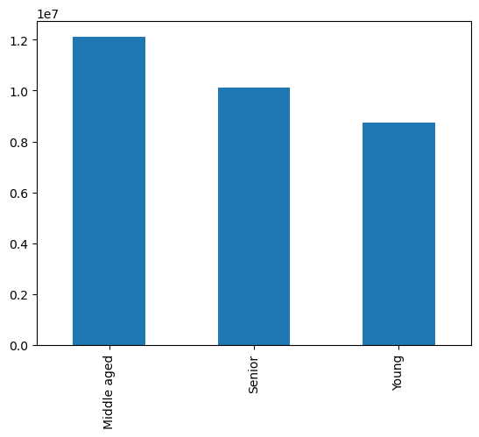
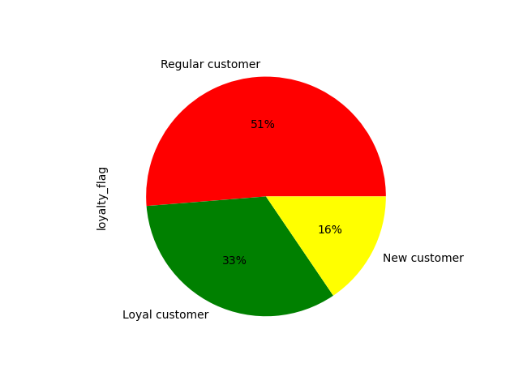

 | Customer loyalty |  |  |  |  | Customer age distribution

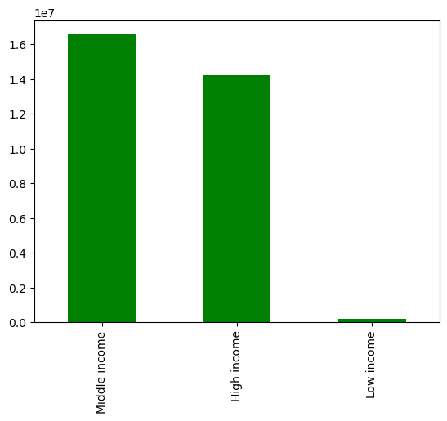



 | Age and income distribution |  |  |  | Customer income distribution

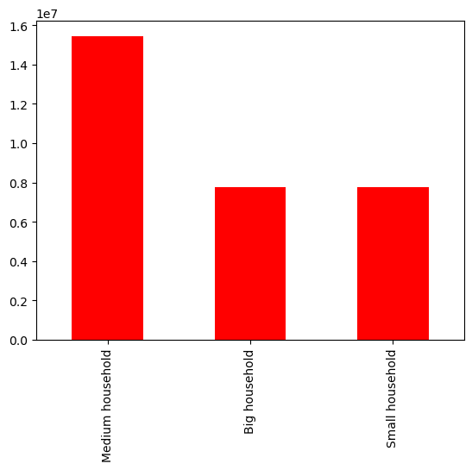

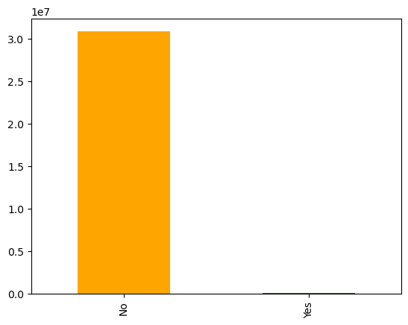

 | Customer household size distribution |  |  |  | Customer pet ownership distribution

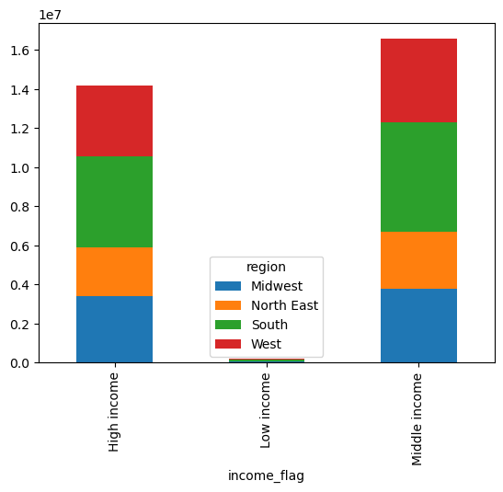
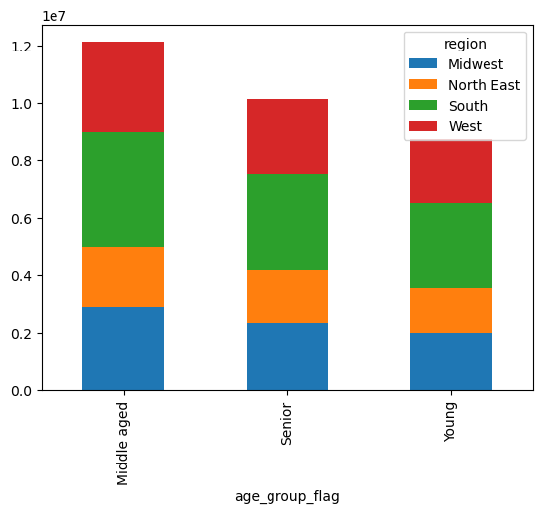

 | Customer age across region |  |  |  | Customer income across region

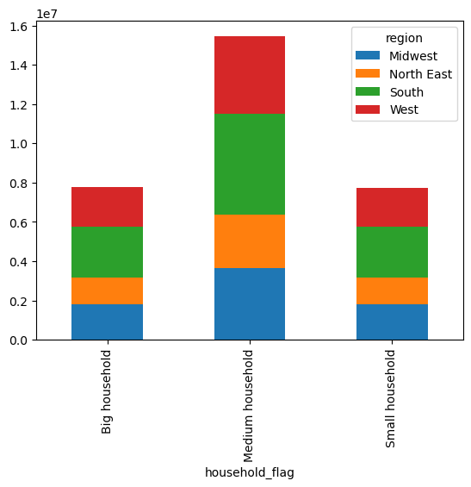

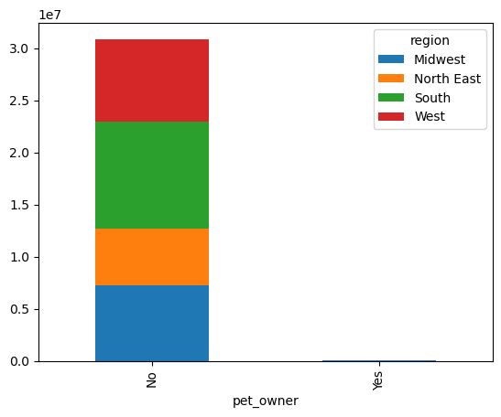

 | Customer household size across region |  |  |  | Customer pet ownership across region

7. Recommendations
 |  |  |  |  |  |  |  |  |  |  |  |  | Title page

Recommendations

Note: Instacart is a real company that’s made their data available online. However, the contents of this project brief have been fabricated for the purpose of this Achievement

KEY QUESTIONS: |  | COMMENTS:

1. | The sales team needs to know what the busiest days of the week and hours of the day are (i.e., the days and times with the most orders) in order to schedule ads at times when there are fewer orders. | The most busiest days are weekends, in which most of the orders come between 9 am to 4 pm. To optimize advertising campaign efficacy, it is best to schedule advertisements around and during the peak hours specifically weekends at 2 pm. With ads around this time, Customers will likely see potential product items for their next purchases.

 |  |  |  |  | ORDER FREQUENCY PER DAY |  |  |  |  |  | ORDER FREQUENCY PER HOUR OF DAY

 |  |  |  |  |  |  |  |  | LEGEND:
 |  |  |  |  |  |  |  |  | 0 - Saturday
 |  |  |  |  |  |  |  |  | 1 - Sunday
 |  |  |  |  |  |  |  |  | 2 - Monday
 |  |  |  |  |  |  |  |  | 3 - Tuesday
 |  |  |  |  |  |  |  |  | 4 -Wednesday
 |  |  |  |  |  |  |  |  | 5 - Thursday
 |  |  |  |  |  |  |  |  | 6 - Friday

2. | Are there particular times of the day when people spend the most money, as this might inform the type of products they advertise at these times. | According to the order hour of day /prices chart, people tend to buy the most expensive items between 4 and 5 am and again 3-10 pm. Since 4-5 am is not effective for advertising, the best time for advertising is in the afternoon around 2-3 pm. For the type of products, instead of the most popular products, I recommend to advertise the low-moving goods in international, alcohol and pets departments to increase their product awareness.

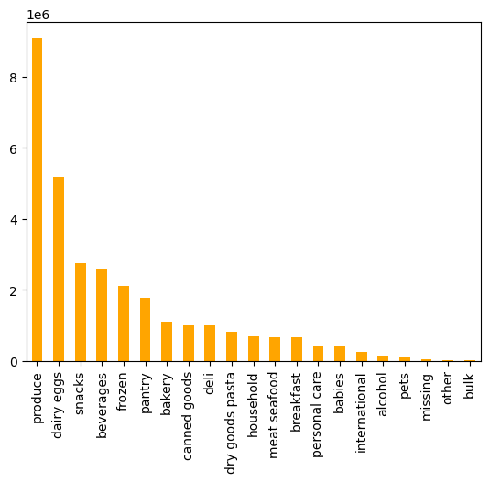
MOST POPULAR
LEAST POPULAR

 |  |  |  |  |  |  |  | RANK | DEPARTMENT | TOTAL ORDER | TOTAL ORDERS (in millions)
 |  |  |  |  |  |  |  | 1 | produce | 9,079,273
 |  |  |  |  |  |  |  | 2 | dairy eggs | 5,177,182
 |  |  |  |  |  |  |  | 3 | snacks | 2,766,406
 |  |  |  |  |  |  |  | 4 | beverages | 2,571,901
 |  |  |  |  |  |  |  | 5 | frozen | 2,121,731
 |  |  |  |  |  |  |  | 6 | pantry | 1,782,705
 |  |  |  |  |  |  |  | 7 | bakery | 1,120,828
 |  |  |  |  |  |  |  | 8 | canned goods | 1,012,074
 |  |  |  |  |  |  |  | 9 | deli | 1,003,834
 |  |  |  |  |  |  |  | 10 | dry goods pasta | 822,136
 |  |  |  |  |  |  |  | 11 | household | 699,857
 |  |  |  |  |  |  |  | 12 | meat seafood | 674,781
 |  |  |  |  |  |  |  | 13 | breakfast | 670,850
 |  |  |  |  |  |  |  | 14 | personal care | 424,306
 |  |  |  |  |  |  |  | 15 | babies | 410,392
 |  |  |  |  |  |  |  | 16 | international | 255,991
 |  |  |  |  |  |  |  | 17 | alcohol | 144,627
 |  |  |  |  |  |  |  | 18 | pets | 93,060
 |  |  |  |  |  |  |  | 19 | missing | 64,768
 |  |  |  |  |  |  |  | 20 | other | 34,411
 |  |  |  |  |  |  |  | 21 | bulk | 33,451

 |  | This is the summary of top selling items from each price range: - HIGH-PRICE RANGE ($16 - above): Meat seafood & Dairy Eggs - MID-PRICE RANGE ($6 - $15): Produce & Dairy Eggs - LOW-PRICE RANGE ($5 - below): Produce, Snacks & Dairy Eggs From the below pie graph, we can easily see that mid-range products are the most favorably priced goods of all. Though Produce is the top seller item in mid-range products, Dairy eggs, the second fast-moving consumables have wider price options across the different price ranges. With this in mind, I recommend to place bulk order discounts (price cuts) on high-price range products, especially on dairy eggs. Since this will boost the sales of the goods, we will not lose the overall profit but allow the customers to experience premium brands with good deals.
 | Instacart has a lot of products with different price tags. Marketing and sales want to use simpler price range groupings to help direct their efforts.

3.

TOTAL PRODUCTS BY PRICE RANGE (%)
 |  | department | High-range product | Low-range product | Mid-range product
 |  | alcohol | 0 | 33,046 | 111,581
 |  | babies | 0 | 121,484 | 288,908
 |  | bakery | 0 | 274,986 | 845,842
 |  | beverages | 0 | 814,697 | 1,757,204
 |  | breakfast | 0 | 209,185 | 461,665
 |  | bulk | 0 | 1,181 | 32,270
 |  | canned goods | 0 | 281,711 | 730,363
 |  | dairy eggs | 4,877 | 1,370,908 | 3,801,397
 |  | deli | 0 | 299,220 | 704,614
 |  | dry goods pasta | 0 | 284,346 | 537,790
 |  | frozen | 0 | 647,617 | 1,474,114
 |  | household | 0 | 245,070 | 454,787
 |  | international | 0 | 73,203 | 182,788
 |  | meat seafood | 392,855 | 0 | 281,926
 |  | missing | 0 | 18,516 | 46,252
 |  | other | 0 | 15,259 | 19,152
 |  | pantry | 221 | 504,521 | 1,277,963
 |  | personal care | 0 | 123,874 | 300,432
 |  | pets | 0 | 28,165 | 64,895
 |  | produce | 0 | 2,585,708 | 6,493,565
 |  | snacks | 0 | 1,742,143 | 1,024,263
 |  | TOTAL | 397,953 | 9,674,840 | 20,891,771
 |  | GRAND TOTAL | 30,964,564

 | Are there certain types of products that are more popular than others? The marketing and sales teams want to know which departments have the highest frequency of product orders. | As you see in the chart below, the top 5 products that the consumers are purchasing at a higher frequency rate are dairy eggs, beverages, produce, bakery and deli.
4.

 |  | RANK | department | mean
 |  | 1 | dairy eggs | 69%
 |  | 2 | beverages | 67%
 |  | 3 | produce | 67%
 |  | 4 | bakery | 64%
 |  | 5 | deli | 62%
 |  | 6 | pets | 62%
 |  | 7 | babies | 59%
 |  | 8 | alcohol | 59%
 |  | 9 | bulk | 59%
 |  | 10 | snacks | 59%
 |  | 11 | meat seafood | 59%
 |  | 12 | breakfast | 58%
 |  | 13 | frozen | 56%
 |  | 14 | dry goods pasta | 48%
 |  | 15 | canned goods | 47%
 |  | 16 | other | 42%
 |  | 17 | household | 42%
 |  | 18 | missing | 41%
 |  | 19 | international | 38%
 |  | 20 | pantry | 36%
 |  | 21 | personal care | 33%

5. | Are there differences in ordering habits based on a customer’s loyalty status? | There are no significant differences among all loyalty statuses.

BRAND LOYALTY BREAKDOWN BY SPENDING HABITS

 |  | SPENDING FLAG | Loyal customer | New customer | Regular customer
 |  | High spender | 216,600 | 84,011 | 302,814
 |  | Low spender | 10,067,493 | 4,719,684 | 15,573,962
 |  | TOTAL | 10,284,093 | 4,803,695 | 15,876,776

 | Are there differences in ordering habits based on a customer’s region? | All regions share similar ordering patterns with the same popular items. In all regions, dry goods pasta, household, breakfast and babies are the least purchased goods. However, the South region carries the highest sold units for these brands in comparison to other regions. Advertising-these goods in the southern region can improve sales and potentially expand the business to new customers.

6.

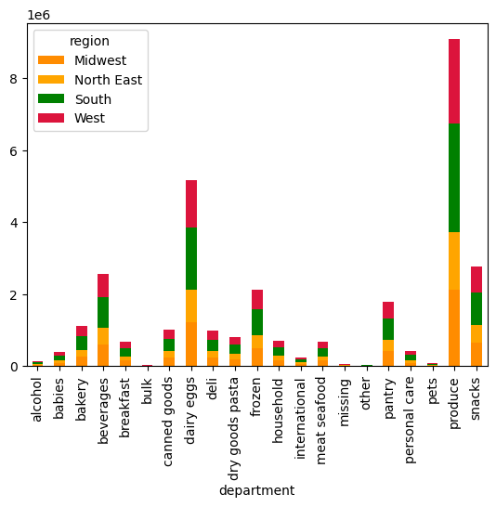
Brand Loyalty by Region
 |  | department | Midwest | Northeast | South | West | TOTAL
 |  | alcohol | 34,043 | 25,017 | 48,813 | 36,754 | 144,627
 |  | babies | 95,741 | 72,712 | 139,511 | 102,428 | 410,392
 |  | bakery | 261,753 | 199,300 | 371,620 | 288,155 | 1,120,828
 |  | beverages | 598,979 | 462,929 | 859,419 | 650,574 | 2,571,901
 |  | breakfast | 156,155 | 117,904 | 223,172 | 173,619 | 670,850
 |  | bulk | 7,929 | 5,599 | 11,180 | 8,743 | 33,451
 |  | canned goods | 237,459 | 176,936 | 337,458 | 260,221 | 1,012,074
 |  | dairy eggs | 1,212,490 | 914,616 | 1,723,016 | 1,327,060 | 5,177,182
 |  | deli | 234,464 | 178,398 | 333,620 | 257,352 | 1,003,834
 |  | dry goods pasta | 193,463 | 143,817 | 272,813 | 212,043 | 822,136
 |  | frozen | 498,225 | 370,436 | 709,906 | 543,164 | 2,121,731
 |  | household | 166,992 | 124,604 | 230,061 | 178,200 | 699,857
 |  | international | 60,666 | 44,678 | 84,649 | 65,998 | 255,991
 |  | meat seafood | 158,260 | 118,571 | 224,120 | 173,830 | 674,781
 |  | missing | 15,563 | 11,512 | 21,787 | 15,906 | 64,768
 |  | other | 7,983 | 6,268 | 11,579 | 8,581 | 34,411
 |  | pantry | 420,334 | 312,731 | 591,754 | 457,886 | 1,782,705
 |  | personal care | 100,398 | 74,765 | 142,496 | 106,647 | 424,306
 |  | pets | 21,358 | 17,734 | 29,909 | 24,059 | 93,060
 |  | produce | 2,134,115 | 1,593,004 | 3,027,476 | 2,324,678 | 9,079,273
 |  | snacks | 645,143 | 493,154 | 916,780 | 711,329 | 2,766,406
 |  | TOTAL | 7,261,513 | 5,464,685 | 10,311,139 | 7,927,227 | 30,964,564
 |  | Note: Figures highlighted in yellow, belongs to the least popular brand but are significantly higher than other regions with potential for sales improvement.

 | Is there a connection between age and family status in terms of customer demographics? And/or connection between age and spending power (income)? | As the first three graphs indicates customers who are in the middle age, with medium household, and with middle income has generally more spending. Looking at the bottom correlation graph between age and income, however, there is no strong correlation between these two factors. Of course, as the age grows, the more person are gradually moving towards the higher income level. Overall, the distribution of income by age is highly concentrated between the low and middle groups, which means the customer spending will likely stay within these ranges to fit their budget, no matter what. Investigating competitors' pricing schemes and conducting surveys on consumer expenditures per household will disclose some key information for the effective implementation of pricing strategies.
7.

 |  |  | Customer income distribution

 |  |  |  |  |  |  |  |  |  | Customer household size distribution |  | Customer income distribution

LOW INCOME
MIDDLE INCOME

 |  |  | AGE

